sheet 1
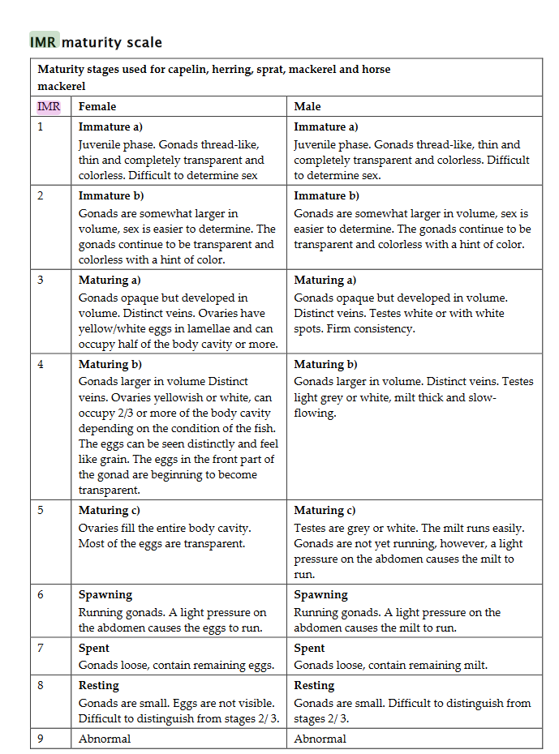
CatchData
column | description | relates to in Mackerels?
COUNTRY | Country name | COUNTRY
VESSEL | vessel name | VESSEL
CRUISE | cruise unique identifier | CRUISE
STATION | survey station unique identifier | STATION
STTYPE | gear type
YEAR | time variable | YEAR
MONTH | time variable
DAY | time variable
HOUR | time variable
MIN | time variable
LAT | geographic coordinates
LON | geographic coordinates
BOTTDEPTH | bottom depth
Datetime | Matlab datenum format (number of days since Jan.1st year 0)
CATCH | Mackerel catch (kg)
TOWTIME | tow time in mins
TOWSPEED | vessel speed during tow (knots)
TRAWLDEPTH | depth of the haul (m)
TowLength | distance of the tow (km)
CatchPrKm | catch per km
TrawlWidth | trawl width (km)
CPUE | catch per km / trwl width (kg/km2)
Mackerels
column | description | relates to in CatchData?
COUNTRY | Country name | COUNTRY
VESSEL | vessel name | VESSEL
CRUISE | cruise unique identifier | CRUISE
STATION | station unique identifier | STATION
STTYPE | gear type
YEAR | time variable | YEAR
MONTH | time variable
DAY | time variable
HOUR | time variable
MIN | time variable
LAT | geographic coordinates
LON | geographic coordinates
BOTTDEPTH | bottom depth
SPECIES | species 3A code, MAC
LENGTH | length of the individual fish (cm)
WEIGHT | weight of the individual fish (gr)
SEX | 1= female, 2= male, 0= no information
MATURATION | Mackerel maturity IMR-scale (1-9), see figure to the right
RECNR | Fish identification no
Dato | Matlab datenum format (number of days since Jan.1st year 0)
DatoSnilt | day number of current year
AGE | Years of the individual fish
FC | Foulton's condition factor of the individual fish

